Specs
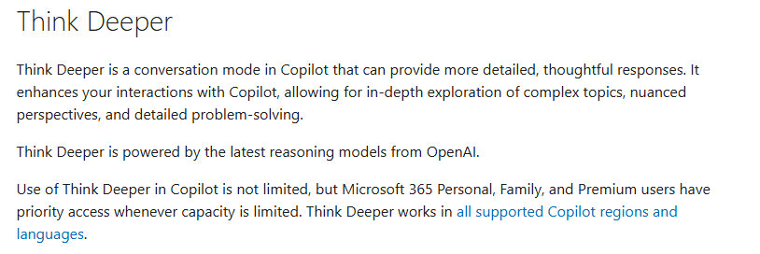
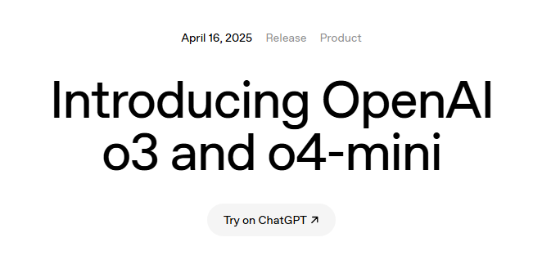
 | CHATGPT | CLAUDE | DEEPSEEK | GEMINI | DATE CREATED
pi-digits | GPT 5.2 | Sonnet 4.5 | DeepSeek v3.2 | Gemini 3.1 Pro | 25/01/2026
n-body |  |  |  |  | 26/01/2026
reverse-complement |  |  |  |  | 25/01/2026
fasta |  |  |  |  | 23/01/2026
k-nucleotide |  |  |  |  | 25/01/2026
regex-redux |  |  |  |  | 25/01/2026
spectral-norm |  |  |  |  | 25/01/2026
mandelbrot |  |  |  |  | 26/01/2026
binary-trees |  |  |  |  | 26/01/2026
fannkuch-redux |  |  |  |  | 27/01/2026
 |  |  |  | 29/07/2026

